RALPH LAUREN purchase Order
RALPH LAUREN APPAREL HOODIE MEN TO TAKE ALL

YOUR PRICE WHS +12%

READY TO SHIP END OF JULY

PICTURE | CODE | DESCRIPTION | COLOR | SIZE BREAKDOWN |  |  |  |  |  |  |  | QUANTITY | WHOLESALE PRICE | RETAIL PRICE | PURCHASE ORDER SUM
 | men
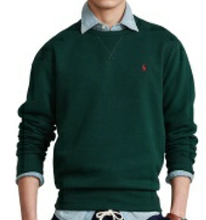

 |  |  |  |  | S | M | L | XL
 | 710766772021 | LONG SLEEVE- KNIT | COLLEGE GREEN |  | 2 | 3 | 4 | 2 |  |  |  | 11 | € 61.00 | € 149.00
 |  | FLEECE |  |  | 1 | 2 | 2 | 1

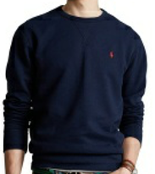

 |  |  |  |  | S | M | L | XL
 | 710766772003 | LONG SLEEVE- KNIT | CRUISE NAVY |  | 5 | 11 | 11 | 6 |  |  |  | 33 | € 61.00 | € 149.00
 |  | FLEECE |  |  | 1 | 2 | 2 | 1

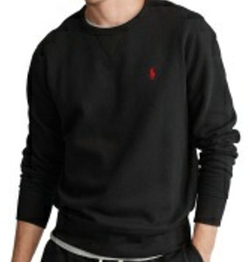

 |  |  |  |  | S | M | L | XL
 | 710766772001 | LONG SLEEVE- KNIT | POLO BLACK |  | 5 | 10 | 10 | 5 |  |  |  | 30 | € 61.00 | € 149.00
 |  | FLEECE |  |  | 1 | 2 | 2 | 1

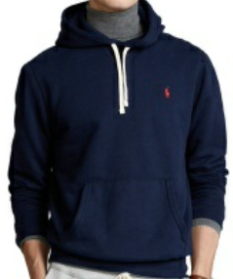

 |  |  |  |  | S | M | L | XL
 | 710766778007 | HOODIE LONG SLEEVE- KNIT | CRUISE NAVY |  | 8 | 17 | 18 | 9 |  |  |  | 52 | € 70.00 | € 169.00
 |  | FLEECE |  |  | 1 | 2 | 2 | 1

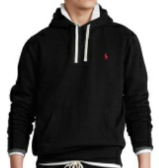

 |  |  |  |  | S | M | L | XL
 | 710766778008 | HOODIE LONG SLEEVE- KNIT | POLO BLACK |  | 7 | 13 | 14 | 7 |  |  |  | 41 | € 70.00 | € 169.00
 |  | FLEECE |  |  | 1 | 2 | 2 | 1

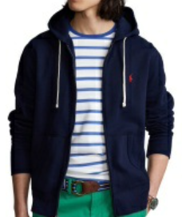

 |  |  |  |  | S | M | L | XL
 | 710813297004 | LONG SLEEVE- KNIT | CRUISE NAVY |  | 9 | 10 | 6 | 5 |  |  |  | 30 | € 70.00 | € 169.00
 |  | FLEECE |  |  | 1 | 2 | 2 | 1

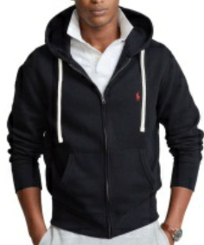

 |  |  |  |  | S | M | L | XL
 | 710813297001 | LONG SLEEVE- KNIT | POLO BLACK |  | 2 | 5 | 5 | 3 |  |  |  | 15 | € 70.00 | € 169.00
 |  | FLEECE |  |  | 1 | 2 | 2 | 1

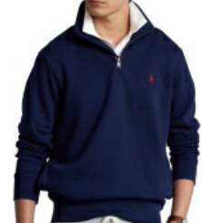

 |  |  |  |  | S | M | L | XL
 | 710849720003 | LONG SLEEVE-SWEATSHIRT HALF ZIP | CRUISE NAVY |  | 3 | 6 | 6 | 3 |  |  |  | 18 | € 66.00 | € 159.00
 |  | FLEECE |  |  | 1 | 2 | 2 | 1

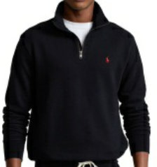

 |  |  |  |  | S | M | L | XL
 | 710849720001 | LONG SLEEVE-SWEATSHIRT HALF ZIP | POLO BLACK |  | 3 | 6 | 6 | 3 |  |  |  | 18 | € 66.00 | € 159.00
 |  | FLEECE |  |  | 1 | 2 | 2 | 1

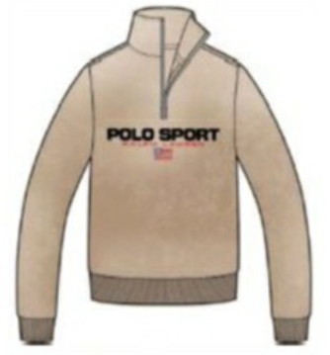

 |  |  |  |  | S | M | L | XL
 | 710880522003 | LONG SLEEVE-SWEATSHIRT HALF ZIP | CLASSIC KHAKI |  | 2 | 3 | 4 | 2 |  |  |  | 11 | € 66.00 | € 159.00
 |  | SPORT FLEECE |  |  | 1 | 1 | 2 | 1

 |  |  |  |  | S | M | L | XL
 | 710835766001 | LONG SLEEVE-KINT HALF ZIP | CRUISE NAVY |  | 2 | 3 | 4 | 2 |  |  |  | 11 | € 66.00 | € 159.00
 |  | SPORT FLEECE |  |  | 1 | 2 | 2 | 1

 |  |  |  |  |  |  |  | TOT OFFER |  |  |  | 270

YOUR PRICE WHS +12%

DELIVERY TIME END OF JULY

PICTURE | CODE | DESCRIPTION | COLOR | SIZE BREAKDOWN |  |  |  |  |  |  |  | QUANTITY | WHOLESALE PRICE | RETAIL PRICE
 | men
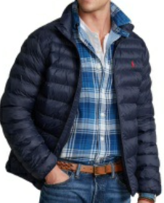

 |  |  |  |  | S | M | L | XL
 | 710810897007 | TERRA JKT-POLY FILL- JACKET | COLLECTION NAVY |  | 4 | 9 | 9 | 5 |  |  |  | 27 | € 125.00 | € 299.00
 |  | NYLON/POLY PW |  |  | 1 | 2 | 2 | 1

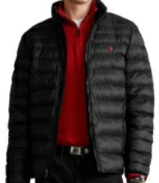

 |  |  |  |  | S | M | L | XL
 | 710810897012 | TERRA JKT-POLY FILL- JACKET | POLO BLACK |  | 4 | 9 | 9 | 5 |  |  |  | 27 | € 125.00 | € 299.00
 |  | NYLON/POLY PW |  |  | 1 | 2 | 2 | 1

 |  |  |  |  |  |  |  | TOT OFFER |  |  |  | 54

YOUR PRICE WHS +16%

GOODS READY TO SHIP

PICTURE | CODE | DESCRIPTION | COLOR |  | SIZE BREAKDOWN |  |  |  |  |  |  | QUANTITY | WHOLESALE PRICE | RETAIL PRICE
 | men
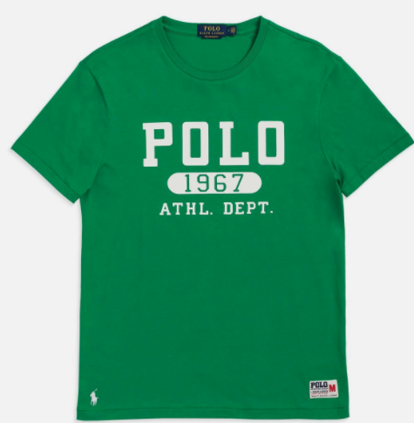

 |  |  |  |  | M | L | XL | 2XL
 | 710860825-005 | SSCNCMSLM1-SHORT SLEEVE-T-SHIRT | CRUISE GREEN/DECKWASH WHITE |  | 4 | 8 | 6 | 2 |  |  |  | 20 | € 32.50 | € 79.00
 |  |  |  |  | 1 | 2 | 2 | 1

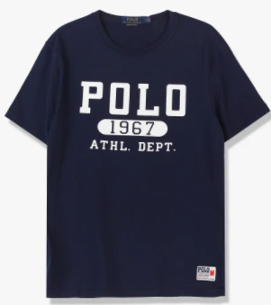

 |  |  |  |  | M | L | XL | 2XL
 | 710860825-004 | SSCNCMSLM1-SHORT SLEEVE-T-SHIRT | CRUISE NAVY/DECKWASH WHITE |  | 8 | 7 | 4 | 2 |  |  |  | 21 | € 32.50 | € 79.00
 |  |  |  |  | 1 | 2 | 2 | 1

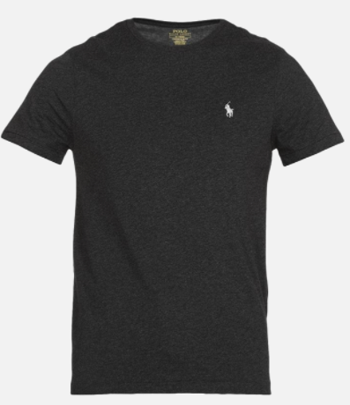

 |  |  |  |  | M | L | XL | 2XL
 | 710671438-164 | SSCNCMSLM2-SHORT SLEEVE-T-SHIRT | BLACK MARL HEATHER/C9590 |  | 11 | 22 | 22 | 11 |  |  |  | 66 | € 27.00 | € 65.00
 |  |  |  |  | 1 | 2 | 2 | 1

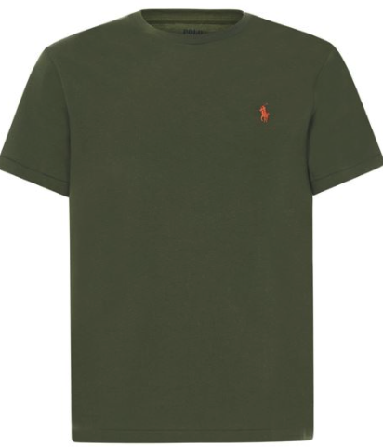

 |  |  |  |  | M | L | XL | 2XL
 | 710671438-083 | SSCNCMSLM2-SHORT SLEEVE-T-SHIRT | SUPPLY OLIVE |  | 8 | 16 | 16 | 8 |  |  |  | 48 | € 27.00 | € 65.00
 |  |  |  |  | 1 | 2 | 2 | 1

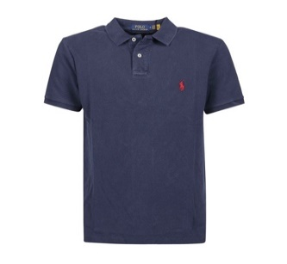

 |  |  |  |  | M | L | XL | 2XL
 | 710814416-035 | SSKCCMSLM1-SHORT SLEEVE-KNIT | CRUISE NAVY |  | 6 | 12 | 12 | 6 |  |  |  | 36 | € 45.00 | € 69.00
 |  |  |  |  | 1 | 2 | 2 | 1

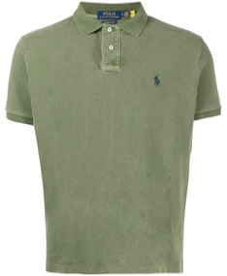

 |  |  |  |  | M | L | XL | 2XL
 | 710814416-037 | SSKCCMSLM1-SHORT SLEEVE-KNIT | ARMY OLIVE |  | 7 | 14 | 14 | 7 |  |  |  | 42 | € 45.00 | € 109.00
 |  |  |  |  | 1 | 2 | 2 | 1

 |  |  |  |  |  | TOT OFFER |  |  |  |  |  | 233
YOUR PRICE WHS +18%
PICTURE | CODE | DESCRIPTION | COLOR | SIZE BREAKDOWN |  |  |  |  |  |  |  | QUANTITY | WHOLESALE PRICE | RETAIL PRICE
 | men
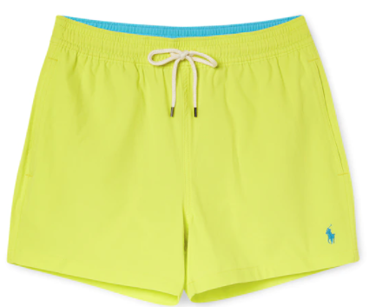

 |  |  |  |  | M | L | XL | 2XL
 | 710837404-016 | SLFTRAVELER-MID-TRUNK | NEON YELLOW |  | 3 | 6 | 6 | 3 |  |  |  | 18 | € 31.00 | € 69.00
 |  |  |  |  | 1 | 2 | 2 | 1

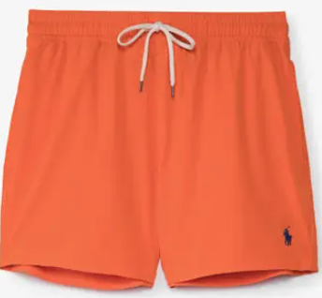

 |  |  |  |  | M | L | XL | 2XL
 | 710837404-012 | SLFTRAVELER-MID-TRUNK | SAILING ORANGE |  | 5 | 10 | 10 | 5 |  |  |  | 30 | € 31.00 | € 69.00
 |  |  |  |  | 1 | 2 | 2 | 1

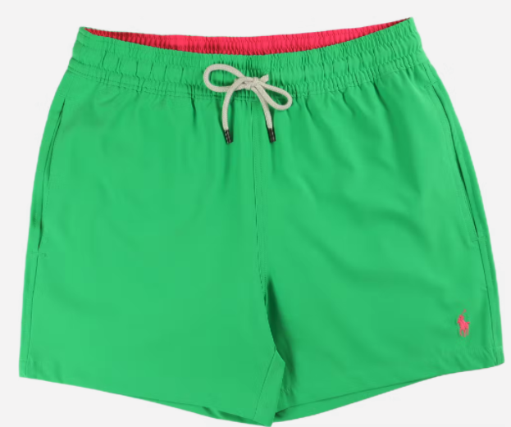

 |  |  |  |  | M | L | XL | 2XL
 | 710837404-017 | SLFTRAVELER-MID-TRUNK | NEON GREEN |  | 6 | 12 | 12 | 6 |  |  |  | 36 | € 31.00 | € 69.00
 |  |  |  |  | 1 | 2 | 2 | 1

 |  |  |  |  |  | TOT OFFER |  |  |  |  |  | 84

GOODS READY TO SHIP

PICTURE | CODE | DESCRIPTION | COLOR | SIZE BREAKDOWN |  |  |  |  |  |  |  | QUANTITY | WHOLESALE PRICE | RETAIL PRICE

 |  |  |  | us | 5 | 7 | 8 | 9 | 10 | 11 | 13
 |  |  |  | eu | 38 | 40 | 41 | 42 | 43 | 44 | 46
 | 809793812001 | CAYSON-SANDALS-CASUAL | BLACK/RED PP |  | 5 | 45 | 90 | 183 | 92 | 90 | 5 | 510 | € 35.00 | € 84.00

 |  |  |  | us | 7 | 8 | 9 | 10 | 11 | 12
 |  |  |  | eu | 40 | 41 | 42.5 | 43 | 44 | 45
 | 809793812002 | CAYSON-SANDALS-CASUAL | NEWPORT NAVY/GOLD PP |  | 112 | 228 | 228 | 228 | 112 | 56 |  | 964 | € 35.00 | € 84.00
 |  |  |  |  | 2 | 4 | 4 | 4 | 2 | 1

 |  |  |  |  |  |  |  |  | TOT OFFER |  |  | 1,474

YOUR PRICE WHS +7%

GOODS READY TO SHIP

PICTURE | CODE | DESCRIPTION | COLOR | SIZE BREAKDOWN |  |  |  |  |  |  |  | QUANTITY | WHOLESALE PRICE | RETAIL PRICE
 | men

 |  |  |  |  | 41 | 42 | 43 | 44 | 45 | 46
 | 816845093-004 | HANFORD LOW TOP LACE | BLACK/WHITE |  | 20 | 40 | 60 | 40 | 20 | 20 |  | 200 | € 40.00 | € 96.00
 |  | RECYCLED CANVAS |  |  | 1 | 2 | 3 | 2 | 1 | 1

 |  |  |  |  | 41 | 42 | 43 | 44 | 45 | 46
 | 816845093-005 | HANFORD LOW TOP LACE | WHITE/NAVY |  | 20 | 40 | 60 | 40 | 20 | 20 |  | 200 | € 40.00 | € 96.00
 |  | RECYCLED CANVAS |  |  | 1 | 2 | 3 | 2 | 1 | 1

 |  |  |  |  | 41 | 42 | 43 | 44 | 45 | 46
 | 816845093-006 | HANFORD LOW TOP LACE | NAVY/WHITE |  | 20 | 40 | 60 | 40 | 20 | 20 |  | 200 | € 40.00 | € 96.00
 |  | RECYCLED CANVAS |  |  | 1 | 2 | 3 | 2 | 1 | 1

 |  |  |  |  | 41 | 42 | 43 | 44 | 45 | 46
 | 816845093-007 | HANFORD LOW TOP LACE | BLACK/RED |  | 10 | 20 | 30 | 20 | 10 | 10 |  | 100 | € 40.00 | € 96.00
 |  | RECYCLED CANVAS |  |  | 1 | 2 | 3 | 2 | 1 | 1

 |  |  |  |  | 41 | 42 | 43 | 44 | 45
 | 809821686-001 | TRAIN 85 | WHITE/GRAY VIOLET/NEWPORT NAVY |  | 10 | 20 | 30 | 20 | 10 |  |  | 90 | € 53.00 | € 127.50
 |  | SUEDE/NYLON |  |  | 1 | 2 | 3 | 2 | 1

 |  |  |  |  | 41 | 42 | 43 | 44 | 45
 | 809821686-003 | TRAIN 85 | NEWPORT NAVY/RL2000 RED |  | 6 | 12 | 18 | 12 | 6 |  |  | 54 | € 53.00 | € 127.50
 |  | SUEDE/NYLON |  |  | 1 | 2 | 3 | 2 | 1

 |  |  |  |  | 41 | 42 | 43 | 44 | 45
 | 809845153-001 | TRAIN 85 | WHITE/BLACK PP |  | 8 | 16 | 24 | 16 | 8 |  |  | 72 | € 53.00 | € 127.50
 |  | SUEDE/NYLON |  |  | 1 | 2 | 3 | 2 | 1

 |  |  |  |  | 41 | 42 | 43 | 44 | 45
 | 809845154-003 | TRAIN 85 | ARMY |  | 12 | 24 | 36 | 24 | 12 |  |  | 108 | € 53.00 | € 127.50
 |  | SUEDE/NYLON |  |  | 1 | 2 | 3 | 2 | 1

 |  |  |  |  | 41 | 42 | 43 | 44 | 45
 | 816749369-003 | SAYER | WHITE CANVAS |  | 11 | 23 | 34 | 23 | 11 |  |  | 102 | € 40.00 | € 96.00
 |  | CANVAS & SUEDE |  |  | 1 | 2 | 3 | 2 | 1

 |  |  |  |  | 41 | 42 | 43 | 44 | 45
 | 816764497-002 | SAYER | BLACK/BLACK |  | 11 | 23 | 34 | 23 | 11 |  |  | 102 | € 40.00 | € 96.00
 |  | CANVAS & SUEDE |  |  | 1 | 2 | 3 | 2 | 1

 |  |  |  |  | 41 | 42 | 43 | 44 | 45
 | 809878008-005 | TRAIN 89 PP | TRIPLE BLACK/RED PP |  | 1 | 2 | 2 | 2 | 1 |  |  | 8 | € 66.00 | € 158.50
 |  | SUEDE/NYLON |  |  | 1 | 2 | 2 | 2 | 1

 |  |  |  |  | 41 | 42 | 43 | 44 | 45
 | 809829824-004 | HERITAGE COURT | WHITE/COLLEGE GREEN PP |  | 40 | 80 | 99 | 83 | 41 |  |  | 343 | € 53.00 | € 127.50
 |  | LEATHER |  |  | 1 | 2 | 3 | 2 | 1

 |  |  |  |  | 41 | 42 | 43 | 44 | 45
 | 809829824-003 | HERITAGE COURT | WHITE/NEWPORT NAVY PP |  | 33 | 67 | 79 | 69 | 34 |  |  | 282 | € 53.00 | € 127.50
 |  | LEATHER |  |  | 1 | 2 | 3 | 2 | 1

 |  |  |  |  | 41 | 42 | 43 | 44 | 45
 | 809829824-005 | HRT CT II | WHITE/BLACK PP |  | 21 | 42 | 41 | 42 | 21 |  |  | 167 | € 53.00 | € 127.50
 |  | NAPPA LEATHER |  |  | 1 | 2 | 2 | 2 | 1
 |  |  |  |  |  |  |  |  |  | men |  | 2028

PICTURE | CODE | DESCRIPTION | COLOR | SIZE BREAKDOWN |  |  |  |  |  |  |  | QUANTITY | WHOLESALE PRICE | RETAIL PRICE
 | men

 |  |  |  |  | 37 | 38 | 39 | 40 | 41
 | 802875886-002 | ANGELINE 4 | RL WHITE/RL GOLD |  | 3 | 7 | 11 | 7 | 2 |  |  | 30 | € 53.00 | € 127.50
 |  | LEATHER |  |  | 2 | 2 | 3 | 2 | 1

 |  |  |  |  | 37 | 38 | 39 | 40 | 41
 | 802868596-001 | ANGELINE 4 | RL WHITE/HONEY |  | 3 | 7 | 11 | 2 | 1 |  |  | 24 | € 53.00 | € 127.50
 |  | LEATHER |  |  | 2 | 2 | 3 | 2 | 1
 |  |  |  |  |  |  |  |  |  | wmn |  | 54

 |  |  |  |  |  |  |  |  | TOT OFFER |  |  | 2082

YOUR PRICE WHS +7%

GOODS READY TO SHIP

PICTURE | CODE | DESCRIPTION | COLOR | SIZE BREAKDOWN |  |  |  |  |  |  |  | QUANTITY | WHOLESALE PRICE | RETAIL PRICE
 | men

 |  |  |  | uk | 7 | 8 | 9 | 10 | 11
 |  |  |  | eu | 41 | 42 | 43 | 44 | 45
 | 809846180-001 | PS100 | BLACK/RL RED/CANARY YELLOW |  | 1 | 5 | 3 | 2 | 1 |  |  | 12 | € 80.00 | € 192.00
 |  | LEATHER/TEXTILE |  |  | 1 | 2 | 2 | 2 | 1

 |  |  |  | uk | 7 | 8 | 9 | 10 | 11
 |  |  |  | eu | 41 | 42 | 43 | 44 | 45
 | 809846179-001 | PS100 | WHITE/NAVY/RL2000 RED |  | 2 | 7 | 5 | 4 | 2 |  |  | 20 | € 80.00 | € 192.00
 |  | LEATHER/TEXTILE |  |  | 1 | 2 | 2 | 2 | 1

 |  |  |  |  |  |  |  | TOT OFFER |  |  |  | 32

